Sheet1
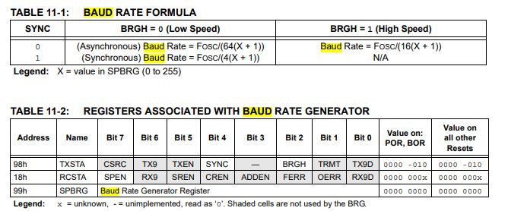

 |  |  |  |  |  |  |  | https://littlebirdelectronics.com.au/cart
 |  |  |  |  |  |  |  | sell 16MHz resonators

low speed
FOSC | X | X | X | baud
8000000 | 0 | 1 | 3 | 125000 | 62500 | 31250
16000000 | 0 | 1 | 3 | 250000 | 125000 | 62500
20000000 | 0 | 1 | 3 | 312500 | 156250 | 78125

high speed
FOSC | X | X | X |  |  |  | You can generate a 250kb signal
8000000 | 0 | 1 | 3 | 500,000.00 | 250,000.00 | 125,000.00 | with an 8MHz internal clock.
16000000 | 0 | 1 | 3 | 1,000,000.00 | 500,000.00 | 250,000.00 | BRGH=1
20000000 | 2 | 3 | 4 | 416,666.67 | 312,500.00 | 250,000.00 | SPBRG=1

